Example 1
read tutorial
watch tutorial
Show Items with no Data

 | Source Data |  |  | Regular PivotTable |  |  | Dim Table | Power Pivot PivotTable 1 |  |  | Power Pivot PivotTable 2

 | Region | Department | Count | Region | Department | Sum of Count | Region | Region | Department | Total Count | Region | Department | Sum of Count
 | North | Finance | 50 | North | IT | 28 | North | North | IT | 28 | North | IT | 28
 | South | Finance | 65 | South | IT | 32 | South | South | IT | 32 | South | IT | 32
 | East | Finance | 37 | East | IT |  | East | East | IT | 0 | East | IT
 | West | Finance | 44 | West | IT |  | West | West | IT | 0 | West | IT
 | North | IT | 28 | Grand Total |  | 60 |  | Grand Total |  | 60 | Grand Total |  | 60
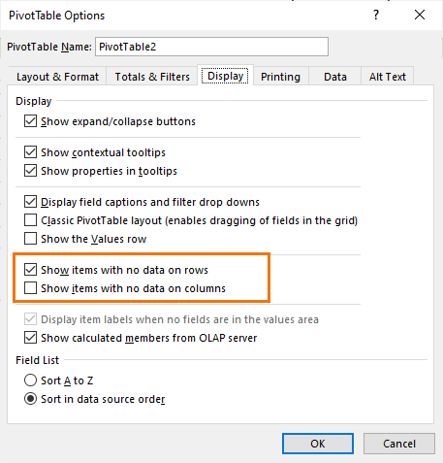
UPDATE: in some versions of Excel you can check the boxes shown below in PivotTable Options instead of writing the measure. However, you still need the dimension table.
 | South | IT | 32
 | East | Operations | 79
 | Total
IT | 28
IT | 32
IT
IT
 | West | Operations | 67

Example 2
read tutorial
watch tutorial
Power Pivot - Show Items with no Data

 | Source Data |  | Dim Table | Power Pivot PivotTable

 | Total
1/01/2021
2/01/2021 | 10
3/01/2021 | 15
4/01/2021
5/01/2021 | 15
6/01/2021
7/01/2021
8/01/2021
9/01/2021
10/01/2021 | 14
11/01/2021
12/01/2021 | 15
13/01/2021 | 10
14/01/2021
15/01/2021
16/01/2021
17/01/2021
18/01/2021 | 14
19/01/2021
20/01/2021
21/01/2021 | 15
22/01/2021
23/01/2021
24/01/2021
25/01/2021 | 10
26/01/2021 | 13
27/01/2021
28/01/2021
29/01/2021 | 13
30/01/2021
31/01/2021 | 14
 | Date | Amount | Date | Date | Amt
 | 2021-01-02 | 10 | 2021-01-01 | 2021-01-01
 | 2021-01-03 | 15 | 2021-01-02 | 2021-01-02 | 10
 | 2021-01-05 | 15 | 2021-01-03 | 2021-01-03 | 15
 | 2021-01-10 | 14 | 2021-01-04 | 2021-01-04
 | 2021-01-12 | 15 | 2021-01-05 | 2021-01-05 | 15
 | 2021-01-13 | 10 | 2021-01-06 | 2021-01-06
 | 2021-01-18 | 14 | 2021-01-07 | 2021-01-07
 | 2021-01-21 | 15 | 2021-01-08 | 2021-01-08
 | 2021-01-25 | 10 | 2021-01-09 | 2021-01-09
 | 2021-01-26 | 13 | 2021-01-10 | 2021-01-10 | 14
 | 2021-01-29 | 13 | 2021-01-11 | 2021-01-11
 | 2021-01-31 | 14 | 2021-01-12 | 2021-01-12 | 15
 |  |  | 2021-01-13 | 2021-01-13 | 10
 |  |  | 2021-01-14 | 2021-01-14
 |  |  | 2021-01-15 | 2021-01-15
 |  |  | 2021-01-16 | 2021-01-16
 |  |  | 2021-01-17 | 2021-01-17
 |  |  | 2021-01-18 | 2021-01-18 | 14
 |  |  | 2021-01-19 | 2021-01-19
 |  |  | 2021-01-20 | 2021-01-20
 |  |  | 2021-01-21 | 2021-01-21 | 15
 |  |  | 2021-01-22 | 2021-01-22
 |  |  | 2021-01-23 | 2021-01-23
 |  |  | 2021-01-24 | 2021-01-24
 |  |  | 2021-01-25 | 2021-01-25 | 10
 |  |  | 2021-01-26 | 2021-01-26 | 13
 |  |  | 2021-01-27 | 2021-01-27
 |  |  | 2021-01-28 | 2021-01-28
 |  |  | 2021-01-29 | 2021-01-29 | 13
 |  |  | 2021-01-30 | 2021-01-30
 |  |  | 2021-01-31 | 2021-01-31 | 14
 |  |  |  | Grand Total | 158

