Power Pivot PivotTables
read tutorial
watch tutorial
Power Pivot Running Total

 | Budget RT | Forecast RT | Actual RT
Jan | 8,550 | 10,000 | 10,000
Feb | 17,100 | 20,500 | 20,500
Mar | 25,650 | 30,300 | 30,300
Apr | 35,060 | 41,412 | 41,412
May | 44,470 | 52,905 | 52,905
Jun | 53,020 | 63,295 | 63,295
Jul | 62,430 | 74,637 | 74,637
Aug | 71,840 | 85,401 | 85,401
Sep | 80,390 | 95,440 | 95,440
Oct | 88,940 | 105,443 | 105,443
Nov | 98,350 | 116,538 | 116,538
Dec | 107,760 | 128,017 | 128,017
Jan | 118,020 | 139,864 | 139,864
Feb | 128,280 | 151,666 | 151,666
Mar | 137,690 | 159,716 | 159,716
Apr | 147,950 | 171,495 | 171,495
May | 157,360 | 182,495 | 182,495
Jun | 166,770 | 189,710 | 189,710
Jul | 177,030 | 201,619 | 201,619
Aug | 186,440 | 213,352 | 213,352
Sep | 194,990 | 223,893 | 223,893
Oct | 203,540 | 234,596 | 234,596
Nov | 216,370 | 250,319 | 250,319
Dec | 226,630 | 262,946 | 262,946
Jan | 237,750 | 275,859 | 275,859
Feb | 248,870 | 288,841 | 288,841
Mar | 259,130 | 301,158 | 301,845
Apr | 270,250 | 314,115
May | 279,660 | 325,210
Jun | 289,070 | 336,689
Jul | 299,330 | 348,536
Aug | 309,590 | 360,973
Sep | 319,000 | 372,463
Oct | 329,260 | 380,590
Nov | 340,380 | 387,104
Dec | 352,350 | 400,994
 | Date | Actual | Date | Forecast | Date | Budget | Year | Quarter | Mth | Budget RT | Forecast RT | Actual RT
 | 2019-01-01 | $10,000 | 2019-01-01 | $10,000 | 2019-01-01 | $8,550 | 2019 |  |  | 107,760 | 128,017 | 128,017
 | 2019-02-01 | $10,500 | 2019-02-01 | $10,500 | 2019-02-01 | $8,550 | 2019 | Q1 |  | 25,650 | 30,300 | 30,300
 | 2019-03-01 | $9,800 | 2019-03-01 | $9,800 | 2019-03-01 | $8,550 | 2019 | Q1 | Jan | 8,550 | 10,000 | 10,000
 | 2019-04-01 | $11,112 | 2019-04-01 | $11,112 | 2019-04-01 | $9,410 | 2019 | Q1 | Feb | 17,100 | 20,500 | 20,500
 | 2019-05-01 | $11,493 | 2019-05-01 | $11,493 | 2019-05-01 | $9,410 | 2019 | Q1 | Mar | 25,650 | 30,300 | 30,300
 | 2019-06-01 | $10,390 | 2019-06-01 | $10,390 | 2019-06-01 | $8,550 | 2019 | Q2 |  | 53,020 | 63,295 | 63,295
 | 2019-07-01 | $11,342 | 2019-07-01 | $11,342 | 2019-07-01 | $9,410 | 2019 | Q2 | Apr | 35,060 | 41,412 | 41,412
 | 2019-08-01 | $10,764 | 2019-08-01 | $10,764 | 2019-08-01 | $9,410 | 2019 | Q2 | May | 44,470 | 52,905 | 52,905
 | 2019-09-01 | $10,039 | 2019-09-01 | $10,039 | 2019-09-01 | $8,550 | 2019 | Q2 | Jun | 53,020 | 63,295 | 63,295
 | 2019-10-01 | $10,003 | 2019-10-01 | $10,003 | 2019-10-01 | $8,550 | 2019 | Q3 |  | 80,390 | 95,440 | 95,440
 | 2019-11-01 | $11,095 | 2019-11-01 | $11,095 | 2019-11-01 | $9,410 | 2019 | Q3 | Jul | 62,430 | 74,637 | 74,637
 | 2019-12-01 | $11,479 | 2019-12-01 | $11,479 | 2019-12-01 | $9,410 | 2019 | Q3 | Aug | 71,840 | 85,401 | 85,401
 | 2020-01-01 | $11,847 | 2020-01-01 | $11,847 | 2020-01-01 | $10,260 | 2019 | Q3 | Sep | 80,390 | 95,440 | 95,440
 | 2020-02-01 | $11,802 | 2020-02-01 | $11,802 | 2020-02-01 | $10,260 | 2019 | Q4 |  | 107,760 | 128,017 | 128,017
 | 2020-03-01 | $8,050 | 2020-03-01 | $8,050 | 2020-03-01 | $9,410 | 2019 | Q4 | Oct | 88,940 | 105,443 | 105,443
 | 2020-04-01 | $11,779 | 2020-04-01 | $11,779 | 2020-04-01 | $10,260 | 2019 | Q4 | Nov | 98,350 | 116,538 | 116,538
 | 2020-05-01 | $11,000 | 2020-05-01 | $11,000 | 2020-05-01 | $9,410 | 2019 | Q4 | Dec | 107,760 | 128,017 | 128,017
 | 2020-06-01 | $7,215 | 2020-06-01 | $7,215 | 2020-06-01 | $9,410 | 2020 |  |  | 226,630 | 262,946 | 262,946
 | 2020-07-01 | $11,909 | 2020-07-01 | $11,909 | 2020-07-01 | $10,260 | 2020 | Q1 |  | 137,690 | 159,716 | 159,716
 | 2020-08-01 | $11,733 | 2020-08-01 | $11,733 | 2020-08-01 | $9,410 | 2020 | Q1 | Jan | 118,020 | 139,864 | 139,864
 | 2020-09-01 | $10,541 | 2020-09-01 | $10,541 | 2020-09-01 | $8,550 | 2020 | Q1 | Feb | 128,280 | 151,666 | 151,666
 | 2020-10-01 | $10,703 | 2020-10-01 | $10,703 | 2020-10-01 | $8,550 | 2020 | Q1 | Mar | 137,690 | 159,716 | 159,716
 | 2020-11-01 | $15,723 | 2020-11-01 | $15,723 | 2020-11-01 | $12,830 | 2020 | Q2 |  | 166,770 | 189,710 | 189,710
 | 2020-12-01 | $12,627 | 2020-12-01 | $12,627 | 2020-12-01 | $10,260 | 2020 | Q2 | Apr | 147,950 | 171,495 | 171,495
 | 2021-01-01 | $12,913 | 2021-01-01 | $12,913 | 2021-01-01 | $11,120 | 2020 | Q2 | May | 157,360 | 182,495 | 182,495
 | 2021-02-01 | $12,982 | 2021-02-01 | $12,982 | 2021-02-01 | $11,120 | 2020 | Q2 | Jun | 166,770 | 189,710 | 189,710
 | 2021-03-01 | $13,004 | 2021-03-01 | $12,317 | 2021-03-01 | $10,260 | 2020 | Q3 |  | 194,990 | 223,893 | 223,893
 |  |  | 2021-04-01 | $12,957 | 2021-04-01 | $11,120 | 2020 | Q3 | Jul | 177,030 | 201,619 | 201,619
 |  |  | 2021-05-01 | $11,095 | 2021-05-01 | $9,410 | 2020 | Q3 | Aug | 186,440 | 213,352 | 213,352
 |  |  | 2021-06-01 | $11,479 | 2021-06-01 | $9,410 | 2020 | Q3 | Sep | 194,990 | 223,893 | 223,893
 |  |  | 2021-07-01 | $11,847 | 2021-07-01 | $10,260 | 2020 | Q4 |  | 226,630 | 262,946 | 262,946
 |  |  | 2021-08-01 | $12,437 | 2021-08-01 | $10,260 | 2020 | Q4 | Oct | 203,540 | 234,596 | 234,596
 |  |  | 2021-09-01 | $11,490 | 2021-09-01 | $9,410 | 2020 | Q4 | Nov | 216,370 | 250,319 | 250,319
 |  |  | 2021-10-01 | $8,127 | 2021-10-01 | $10,260 | 2020 | Q4 | Dec | 226,630 | 262,946 | 262,946
 |  |  | 2021-11-01 | $6,514 | 2021-11-01 | $11,120 | 2021 |  |  | 352,350 | 400,994 | 301,845
 |  |  | 2021-12-01 | $13,890 | 2021-12-01 | $11,970 | 2021 | Q1 |  | 259,130 | 301,158 | 301,845
 |  |  |  |  |  |  | 2021 | Q1 | Jan | 237,750 | 275,859 | 275,859
 |  |  |  |  |  |  | 2021 | Q1 | Feb | 248,870 | 288,841 | 288,841
 |  |  |  |  |  |  | 2021 | Q1 | Mar | 259,130 | 301,158 | 301,845
 |  |  |  |  |  |  | 2021 | Q2 |  | 289,070 | 336,689
 |  |  |  |  |  |  | 2021 | Q2 | Apr | 270,250 | 314,115
 |  |  |  |  |  |  | 2021 | Q2 | May | 279,660 | 325,210
 |  |  |  |  |  |  | 2021 | Q2 | Jun | 289,070 | 336,689
 |  |  |  |  |  |  | 2021 | Q3 |  | 319,000 | 372,463
 |  |  |  |  |  |  | 2021 | Q3 | Jul | 299,330 | 348,536
 |  |  |  |  |  |  | 2021 | Q3 | Aug | 309,590 | 360,973
 |  |  |  |  |  |  | 2021 | Q3 | Sep | 319,000 | 372,463
 |  |  |  |  |  |  | 2021 | Q4 |  | 352,350 | 400,994
 |  |  |  |  |  |  | 2021 | Q4 | Oct | 329,260 | 380,590
 |  |  |  |  |  |  | 2021 | Q4 | Nov | 340,380 | 387,104
 |  |  |  |  |  |  | 2021 | Q4 | Dec | 352,350 | 400,994
 |  |  |  |  |  |  | Grand Total |  |  | 352,350 | 400,994 | 301,845

Regular PivotTables
read tutorial
watch tutorial
Regular PivotTable Running Total

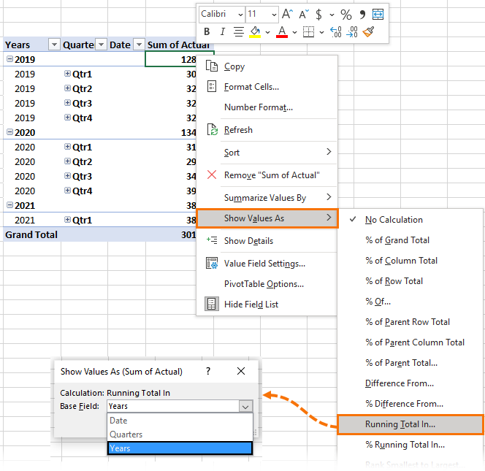
 | Years | Quarters | Date | Sum of Actual | Running Total
 | 2019
 | 2019 | Qtr1 |  | 30,300 | 30,300
 | 2019 | Qtr2 |  | 32,995 | 32,995
 | 2019 | Qtr3 |  | 32,145 | 32,145
 | 2019 | Qtr4 |  | 32,577 | 32,577
 | 2019 Total |  |  | 128,017 | 128,017
 | 2020
 | 2020 | Qtr1 |  | 31,699 | 61,999
 | 2020 | Qtr2 |  | 29,994 | 62,989
 | 2020 | Qtr3 |  | 34,183 | 66,328
 | 2020 | Qtr4 |  | 39,053 | 71,630
 | 2020 Total |  |  | 134,929 | 262,946
 | 2021
 | 2021 | Qtr1 |  | 38,899 | 100,898
 | 2021 Total |  |  | 38,899 | 301,845
 | Grand Total |  |  | 301,845

