Sheet1
Sorting in Excel PivotTables

Group | State | Stock | Price | Value
Biscuit Sweet | QLD | 14,498 | $2.50 | $36,245 | Sum of Value | Column Labels
Biscuit Sweet | NSW | 11,049 | $1.95 | $21,546 | Row Labels | NSW | VIC | TAS | QLD | WA | NT | ACT | Grand Total
Biscuit Sweet | TAS | 18,874 | $2.30 | $43,410 | Bread | $21,380 | $37,495 | $31,066 | $57,102 | $18,829 | $10,144 | $53,389 | $229,406
Biscuit Sweet | VIC | 18,760 | $2.75 | $51,590 | Cakes | $23,101 | $24,295 | $23,630 | $30,069 | $40,483 | $21,809 | $30,063 | $193,450
Biscuit Sweet | ACT | 11,853 | $2.90 | $34,374 | Biscuit Savoury | $18,486 | $19,112 | $24,083 | $37,796 | $24,880 | $20,909 | $16,259 | $161,524
Biscuit Sweet | WA | 10,788 | $2.60 | $28,049 | Biscuit Sweet | $21,546 | $51,590 | $43,410 | $36,245 | $28,049 | $40,522 | $34,374 | $255,735
Biscuit Sweet | NT | 12,468 | $3.25 | $40,522 | Grand Total | $84,513 | $132,492 | $122,189 | $161,211 | $112,241 | $93,384 | $134,085 | $840,115
Biscuit Savoury | QLD | 20,430 | $1.85 | $37,796
Biscuit Savoury | NSW | 12,749 | $1.45 | $18,486
Biscuit Savoury | TAS | 16,055 | $1.50 | $24,083
Biscuit Savoury | VIC | 11,945 | $1.60 | $19,112
Biscuit Savoury | ACT | 14,781 | $1.10 | $16,259
Biscuit Savoury | WA | 19,904 | $1.25 | $24,880
Biscuit Savoury | NT | 10,723 | $1.95 | $20,909
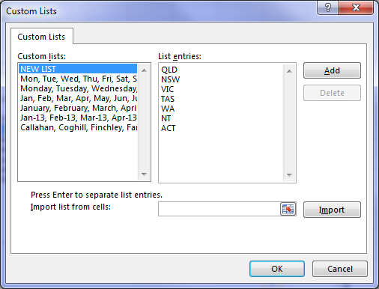
1
2
Bread | QLD | 17,570 | $3.25 | $57,102
Bread | NSW | 10,964 | $1.95 | $21,380
Bread | TAS | 13,807 | $2.25 | $31,066
Bread | VIC | 10,273 | $3.65 | $37,495
Bread | ACT | 12,712 | $4.20 | $53,389
Bread | WA | 17,117 | $1.10 | $18,829
Bread | NT | 9,222 | $1.10 | $10,144
Cakes | QLD | 15,110 | $1.99 | $30,069
Cakes | NSW | 9,429 | $2.45 | $23,101
Cakes | TAS | 11,874 | $1.99 | $23,630
Cakes | VIC | 8,835 | $2.75 | $24,295
Cakes | ACT | 10,932 | $2.75 | $30,063
Cakes | WA | 14,721 | $2.75 | $40,483
Cakes | NT | 7,931 | $2.75 | $21,809

