Formulas
click here to read tutorial
Dynamic Formulas

 | Data Validation List - Country
=SUMIFS(data[Order Amount],
data[Order Date],">="&DATE($C9,1,1),
data[Order Date],"<="&DATE($C9,12,31),
data[Country],$D$6)
 |  |  |  |  |  | Years | Regions | Salesperson
 |  | Country: | UK |  |  | 2012 | UK | Bromley
 |  |  |  |  |  | 2013 | USA | Callahan
 |  | Year | Order Amount |  |  | 2014 |  | Coghill
 |  | 2012 | $204,098 |  |  |  |  | Farnham
 |  | 2013 | $149,400 |  |  |  |  | Finchley
 |  | 2014 | $145,804 |  |  |  |  | Fuller
 |  | Total | $499,302 |  |  |  |  | Gill
 |  |  |  |  |  |  |  | Gould
 |  |  |  |  |  |  |  | Rayleigh

 | Data Validation List - Salesperson

 |  | Sales Person | Gill | Chart Label: | Orders - Gill
Orders - Gill
 |  | Year | Order Amount
 |  | 2012 | $60,508
 |  | 2013 | $40,040
 |  | 2014 | $57,836
 |  | Total | $158,384

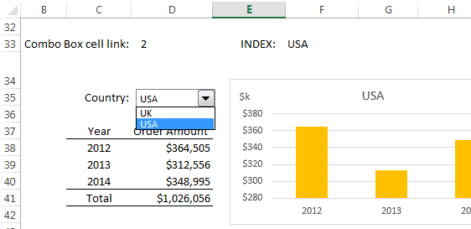
 | Combo Box - Country

 |  | Combo Box cell link: | 2 | INDEX: | USA
USA
 |  | Country:

 |  | Year | Order Amount
 |  | 2012 | $364,505
 |  | 2013 | $312,556
 |  | 2014 | $348,995
 |  | Total | $1,026,056

