Excel Tables
read tutorial
watch tutorial
Running Totals in Tables

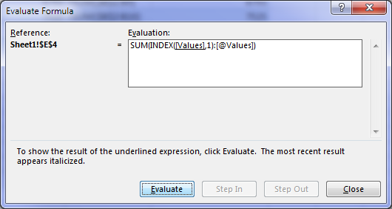

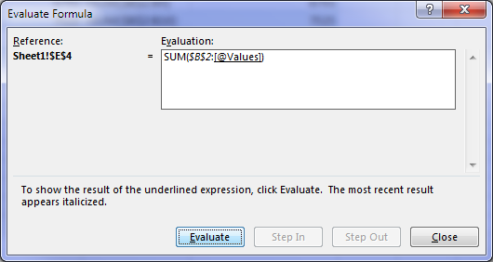
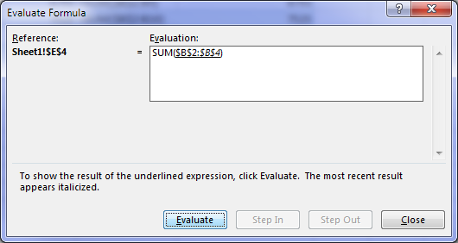
Date | Values | Running Total | Correct Running Total
2016-01-01 | 543 | 543 | 543
2016-01-02 | 731 | 1274 | 1274
2016-01-03 | 145 | 1419 | 1419
2016-01-04 | 644 | 2063 | 2063
2016-01-05 | 1149 | 3212 | 3212
2016-01-06 | 1929 | 5141 | 5141
2016-01-07 | 1324 | 6465 | 6465
2016-01-08 | 328 | 6793 | 6793
2016-01-09 | 732 | 7525 | 7525
2016-01-10 | 1873 | 9398 | 9398
2016-01-11 | 1218 | 10616 | 10616
2016-01-12 | 1879 | 12495 | 12495

Non-tables
read tutorial
watch tutorial
Running Total Formulas

 |  |  |  |  | Using =+ |  | Using SUM
Date | Manager | Units | Price $ | Total $ | Running Total $ | Formula | Running Total $ | Formula
6-Jan-08 | Doug | 8 | 389 | 3,112 | 3,112 | =E5 | 3,112 | =SUM($E$5:E5)
23-Jan-08 | Morgan | 6 | 388 | 2,328 | 5,440 | =G5+E6 | 5,440 | =SUM($E$5:E6)
9-Feb-08 | Dave | 10 | 385 | 3,850 | 9,290 | =G6+E7 | 9,290 | =SUM($E$5:E7)
26-Feb-08 | Gill | 10 | 762 | 7,620 | 16,910 | =G7+E8 | 16,910 | =SUM($E$5:E8)
15-Mar-08 | Dave | 3 | 771 | 2,313 | 19,223 | =G8+E9 | 19,223 | =SUM($E$5:E9)
18-Apr-08 | Brian | 5 | 313 | 1,565 | 20,788 | =G9+E10 | 20,788 | =SUM($E$5:E10)
5-May-08 | Larry | 10 | 574 | 5,740 | 26,528 | =G10+E11 | 26,528 | =SUM($E$5:E11)
22-May-08 | Rob | 8 | 730 | 5,840 | 32,368 | =G11+E12 | 32,368 | =SUM($E$5:E12)

