Making Slicers Small
read tutorial
Making Slicers Really Small (bigger is not better!)

 | If you've exhausted the Slicer size settings available from the Ribbon (image below) and you still need them smaller:
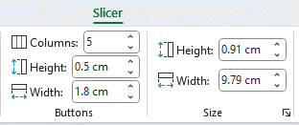

 | It's time to create your own Custom Slicer Style. Start by selecting a style from the gallery that's close to the format you want. This'll save you some work.

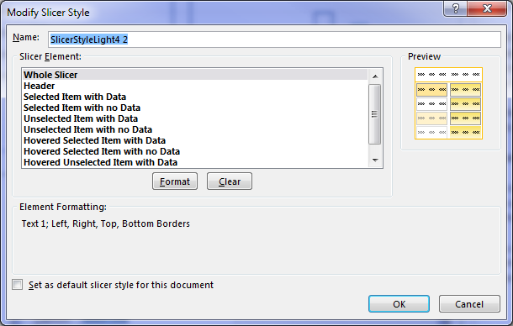
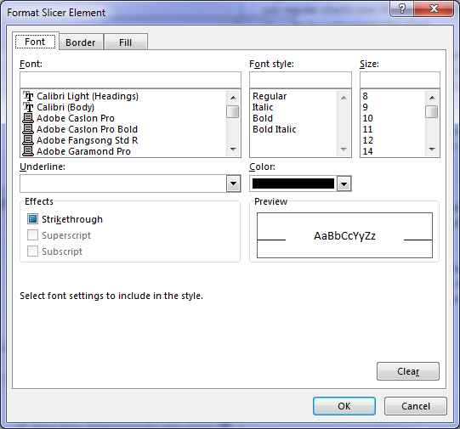
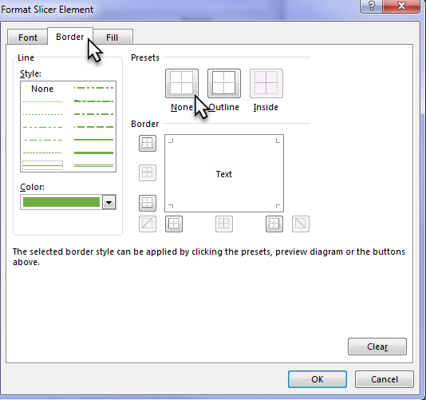
1
3
4
5
2
6
9
7
8

 | Creating Custom Slicer Styles
 | 1. Right-click a style in the gallery that you want to copy > select 'Duplicate'.
 | 2. The Modify Slicer Style dialog box will open
 | 3. Give your Slicer Style a new name
 | 4. Select the 'Whole Slicer' element
 | 5. Click 'Format'
 | 6. Adjust the font and font size.
 | Tip: the smallest font size is 8, but some fonts are smaller than others.
 | 7. Go to the Border tab and remove the border
 | 8. Click OK to save the format.
 | 9. Check the 'Set as default slicer style for this document' if you want.
 | 10. Now you need to apply the style to your existing Slicers.
 | Simply select a Slicer, hold down SHIFT to select more than one, then
 | go to the Slicer Tools: Options tab > choose your Style from the gallery.
 | Tip: It should be the first in the list.
 | 11. Now you can use the Buttons and Size settings on the Slicer Tools: Options tab
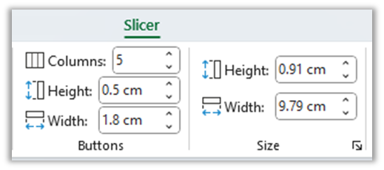
11
 | to reduce them further.

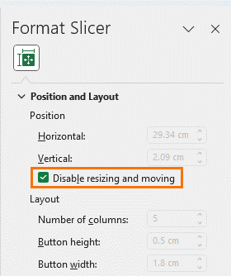
12
 | 12. Prevent moving and resizing:

Slicer Example
read tutorial
Small Slicer Example

Sales by Segment
 | Row Labels | Sum of Sales
 | Paseo | 5,057,477
 | VTT | 4,058,419
 | Velo | 3,286,981
 | Montana | 3,240,668
 | Amarilla | 1,723,192
 | Carretera | 1,432,119
 | Grand Total | 18,798,855

