Month Movement
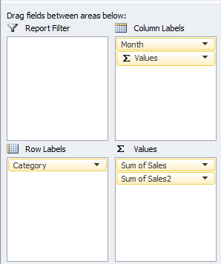
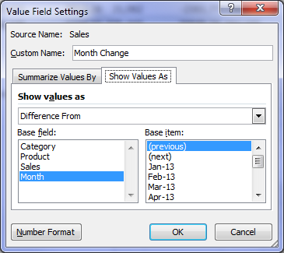
Excel PivotTable Tip - Compare Previous Month

 | Monthly Sales
 | Jan-13 |  | Feb-13 |  | Mar-13 |  | Apr-13 |  | May-13 |  | Jun-13 |  | Jul-13 |  | Aug-13 |  | Sep-13 |  | Oct-13 |  | Nov-13 |  | Dec-13 |  | Total Sales | Total Month Change
Category | Sales | Month Change | Sales | Month Change | Sales | Month Change | Sales | Month Change | Sales | Month Change | Sales | Month Change | Sales | Month Change | Sales | Month Change | Sales | Month Change | Sales | Month Change | Sales | Month Change | Sales | Month Change
Beverages | 35,858 |  | 25,467 | -10391.25 | 20,845 | -4621.86 | 19,904 | -941.04 | 50,499 | 30594.478 | 35,462 | -15036.701 | 26,338 | -9124.089 | 27,700 | 1362.682 | 39,399 | 11698.5416 | 26,911 | -12487.6575 | 18,928 | -7982.8765 | 21,105 | 2176.8134 | 348,417
Condiments | 11,922 |  | 13,347 | 1425.11 | 14,002 | 654.68 | 16,006 | 2004.23 | 14,794 | -1212.516 | 17,000 | 2206.777 | 18,077 | 1076.39 | 21,775 | 3698.377 | 11,549 | -10226.6608 | 13,201 | 1652.4602 | 13,725 | 523.8255 | 16,600 | 2875.645 | 181,999
Confections | 21,083 |  | 22,066 | 982.76 | 17,965 | -4100.65 | 19,781 | 1816.13 | 26,528 | 6746.546 | 30,529 | 4001.305 | 24,535 | -5993.483 | 27,014 | 2479.078 | 20,059 | -6955.326 | 22,843 | 2783.4667 | 17,482 | -5360.7259 | 20,140 | 2658.2964 | 270,024
Dairy Products | 24,119 |  | 27,254 | 3135.4 | 28,628 | 1373.42 | 34,749 | 6121.83 | 34,724 | -25.718 | 38,116 | 3391.892 | 37,104 | -1011.592 | 45,500 | 8396.353 | 24,729 | -20770.8386 | 28,728 | 3998.4063 | 26,710 | -2018.2156 | 32,682 | 5972.7639 | 383,043
Grains/Cereals | 12,697 |  | 14,629 | 1932.2 | 15,311 | 681.42 | 13,312 | -1999.02 | 16,616 | 3303.91 | 21,447 | 4831.07 | 19,373 | -2074.064 | 19,174 | -198.611 | 13,292 | -5881.517 | 15,211 | 1918.54 | 14,592 | -619.3192 | 14,802 | 210.1847 | 190,455
Meat/Poultry | 21,598 |  | 13,695 | -7903.6 | 15,844 | 2148.96 | 30,202 | 14358.34 | 27,173 | -3029.181 | 17,820 | -9352.647 | 20,245 | 2425.313 | 40,783 | 20537.744 | 20,707 | -20076.0198 | 13,270 | -7436.5918 | 14,830 | 1559.5871 | 31,777 | 16946.9485 | 267,944
Produce | 8,981 |  | 15,584 | 6602.92 | 8,303 | -7280.69 | 20,153 | 11849.64 | 11,841 | -8311.838 | 21,843 | 10002.208 | 11,894 | -9948.822 | 25,472 | 13578.167 | 8,866 | -16606.815 | 15,789 | 6923.086 | 8,991 | -6797.9854 | 19,804 | 10813.2744 | 177,519
Seafood | 7,445 |  | 13,613 | 6168 | 23,424 | 9810.16 | 21,062 | -2361.77 | 10,328 | -10733.607 | 18,553 | 8225.242 | 33,093 | 14539.248 | 29,257 | -3835.388 | 7,661 | -21595.8566 | 14,085 | 6423.6869 | 25,544 | 11458.4848 | 22,543 | -3000.9116 | 226,609
Grand Total | 143,703 |  | 145,655 | 1951.54 | 144,320 | -1334.56 | 175,169 | 30848.34 | 192,501 | 17332.074 | 200,770 | 8269.146 | 190,659 | -10111.099 | 236,677 | 46018.402 | 146,263 | -90414.4922 | 150,038 | 3775.3968 | 140,801 | -9237.2252 | 179,454 | 38653.0147 | 2,046,008

Add a Comparison to Previous Month
1. Add 2 'Sales' fields to the Values area. The second one will be the difference from previous month like this:
2. Select any cell in the PivotTable for Sum of Sales2 and right click and select 'Value Field Settings'.
3. On the 'Show Values As' tab select 'Difference From' from the list and choose 'Month' from the Base Field and '(previous)' from the Base item, like this:

