Employee Pivot
Excel PivotTable Tip - Grouping Data

Grouping Dates
1. Ensure your data is in a date format, i.e. numbers not text.
2. Create your PivotTable and right click on any date in the PivotTable > Group
3. Select the groupings from the 'By' list:
4. Click OK
If you get an error it's most likely because your source data isn't formatted as a date.
You can use Text to Columns to fix this. Click the button below to go to the Text to Columns tutorial:
Grouping Ages into Bands
1. Create your PivotTable and right click on any number in the age group column header of the PivotTable > Group
2. Edit your start and end ages or leave as Auto.
3. Change the 'By:' number to suit your needs:
4. Click OK
Count of Employee # | Age Groups
Row Labels | 19-28 | 29-38 | 39-48 | 49-58 | 59-68 | Grand Total
2012
Qtr1 | 1 | 2 | 3 | 1 | 2 | 9
Qtr2 |  | 2 | 2 | 2 | 2 | 8
Qtr3 | 1 |  | 2 | 1 | 5 | 9
Qtr4 |  | 4 | 6 | 5 | 2 | 17
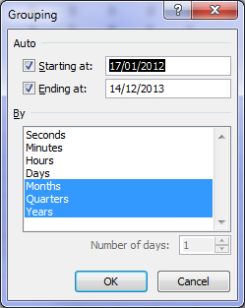
2013
Qtr1 | 5 | 3 | 3 | 2 | 2 | 15
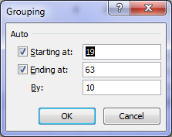
Qtr2 | 1 | 1 | 4 | 5 | 1 | 12
Qtr3 | 3 | 4 | 7 | 3 | 1 | 18
Qtr4 | 2 | 2 | 2 | 4 | 2 | 12
Grand Total | 13 | 18 | 29 | 23 | 17 | 100

Text to Columns Tutorial

