Sheet1
click here to read tutorial
Excel Chart Label Min/Max

Line Charts
Settings for marker circles:
Max formula: =IF([@Sales]=MAX([Sales]),[@Sales],NA())
Min formula: =IF([@Sales]=MIN([Sales]),[@Sales],NA())
Note: these formulas use Structured References because they are in an Excel Table.
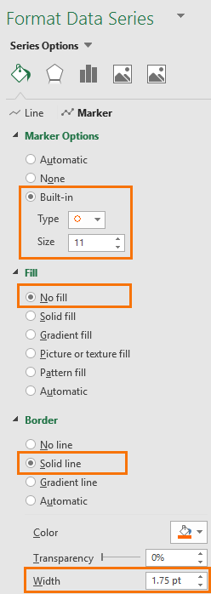
Year | Month | Sales | Max | Min
2017 | J | 72 | #N/A | #N/A
 | F | 61 | #N/A | #N/A
Click for more on Excel Tables & Structured References
 | M | 92 | #N/A | #N/A
 | A | 88 | #N/A | #N/A
 | M | 80 | #N/A | #N/A
Tip: Use #N/A for values you don't want to display in line chart labels.
 | J | 97 | 97 | #N/A
 | J | 89 | #N/A | #N/A
 | A | 90 | #N/A | #N/A
Sales
 | S | 95 | #N/A | #N/A
 | O | 87 | #N/A | #N/A
 | N | 65 | #N/A | #N/A
 | D | 56 | #N/A | #N/A
2018 | J | 71 | #N/A | #N/A
 | F | 78 | #N/A | #N/A
 | M | 52 | #N/A | #N/A
 | A | 64 | #N/A | #N/A
 | M | 58 | #N/A | #N/A
 | J | 74 | #N/A | #N/A
 | J | 82 | #N/A | #N/A
 | A | 50 | #N/A | 50
 | S | 73 | #N/A | #N/A
 | O | 87 | #N/A | #N/A
 | N | 56 | #N/A | #N/A
 | D | 52 | #N/A | #N/A

Extra series in columns D & E for the min and max markers.
Tip: set the marker line to 'no fill' to avoid lines where there are duplicate min/max values.

Column Charts

Max formula: =IF([@Sales]=MAX([Sales]),[@Sales],0)
Min formula: =IF([@Sales]=MIN([Sales]),[@Sales],0)
Custom Number Format to hide zeros:
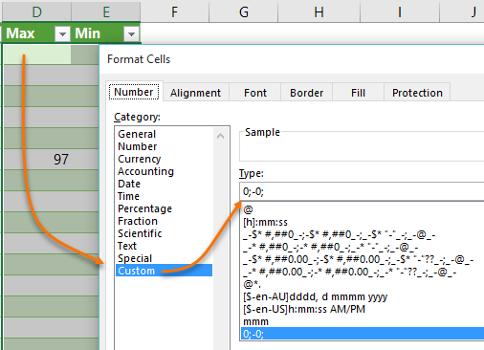
Year | Month | Sales | Max | Min
2017 | J | 72
 | F | 61
 | M | 92
Tip: Use zero or "" for values you don't want to display in column chart labels. Format the cell or label font with a custom number format that hides zeros, e.g.: 0;-0;
 | A | 88
 | M | 80
 | J | 97 | 97
Click for more on Custom Number Formats
 | J | 89
 | A | 90
Sales
 | Sales | Max | Min
J | 72
F | 61
M | 92
A | 88
M | 80
J | 97 | 97
J | 89
A | 90
S | 95
O | 87
N | 65
D | 56
J | 71
F | 78
M | 52
A | 64
M | 58
J | 74
J | 82
A | 50 |  | 50
S | 73
O | 87
N | 56
D | 52
 | S | 95
 | O | 87
 | N | 65
 | D | 56
2018 | J | 71
 | F | 78
 | M | 52
 | A | 64
 | M | 58
 | J | 74
 | J | 82
 | A | 50 |  | 50
 | S | 73
 | O | 87
 | N | 56
 | D | 52

