Working with Duplicates
click here to read tutorial
Working with Duplicates

go to sheet
go to sheet
go to sheet
 | Highlighting Duplicates with Conditional Formatting
 | Identifying Duplicates with Formulas
 | Removing Duplicates (Data tab)
go to sheet
 | Remove Duplicates with Power Query
go to sheet
 | Remove Duplicates with Advanced Filter
go to sheet
 | Identify Duplicates with PivotTables
go to sheet
 | More Resources

Conditional Formatting
click here to go to menu
click here to read tutorial
Highlight Duplicates with Conditional Formatting

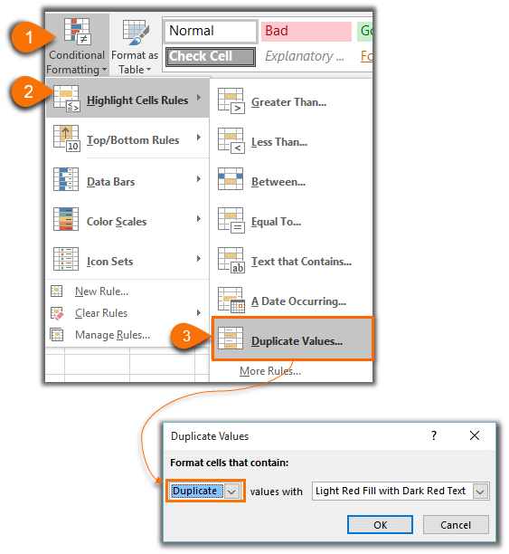
Highlight Duplicate Cells |  | Highlight Duplicate Rows

Conditional Format Formula =COUNTIFS($J$7:$J$11,$J7,$K$7:$K$11,$K7)>1
Date | Name | Date | ID
2017-08-01 | Jane | 2017-08-01 | C011
2017-08-03 | Bill | 2017-08-03 | C157
2017-08-06 | Rosey | 2017-08-06 | C301
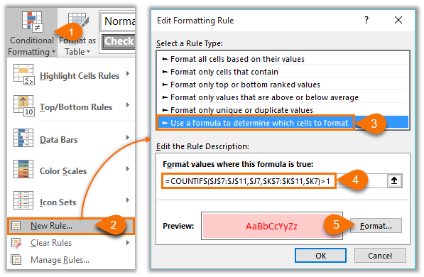
2017-08-12 | June | 2017-08-12 | C477
2017-08-06 | Bill | 2017-08-06 | C301

Formulas
click here to go to menu
click here to read tutorial
Identify Duplicates with a Formula

Identify Duplicate Rows

Cell C7=IF(COUNTIFS($A$7:$A$11,$A7,$B$7:$B$11,$B7)>1,"Duplicate","")
Date | ID | Duplicates
2017-08-01 | C301
2017-08-03 | C157
2017-08-06 | C301 | Duplicate
2017-08-12 | C477
2017-08-06 | C301 | Duplicate

Identify Duplicate Cells in Column B

Cell C17 =IF(COUNTIF($B$17:$B$21,$B17)>1,"Duplicate","")
Date | ID | Duplicates
2017-08-01 | C301 | Duplicate
2017-08-03 | C157
2017-08-06 | C301 | Duplicate
2017-08-12 | C477
2017-08-06 | C301 | Duplicate

Remove Duplicates
click here to go to menu
click here to read tutorial
Remove Duplicates

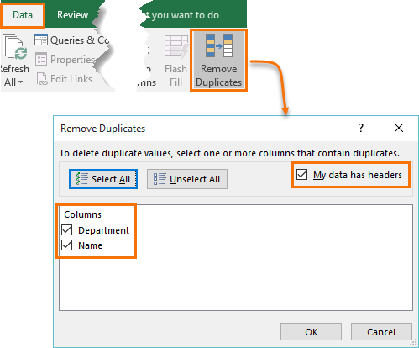
Remove Duplicate Rows

Department | Name
Produce | Richard
Dairy | Janelle
Produce | Rachel
Meat | Craig
Produce | Rachel

Power Query
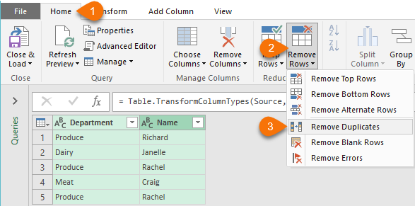
click here to go to menu
click here to read tutorial
Remove Duplicates with Power Query Excel 2010 onwards only

Original Table |  | Power Query Table - No Duplicates
Excel 2016
Excel 2010 & 2013
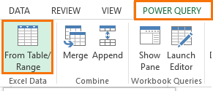
Department | Name | Department | Name
Produce | Richard | Produce | Richard
Dairy | Janelle | Dairy | Janelle
Produce | Rachel | Produce | Rachel
Meat | Craig | Meat | Craig
Produce | Rachel

Advanced Filter
click here to go to menu
click here to read tutorial
Remove Duplicates with Advanced Filter

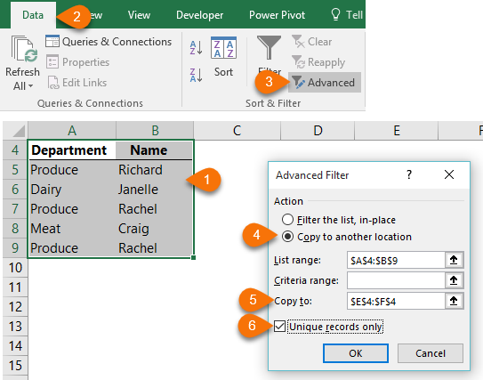
List Including Duplicates |  | List Excluding Duplicates
Department | Name | Department | Name
Produce | Richard | Produce | Richard
Dairy | Janelle | Dairy | Janelle
Produce | Rachel | Produce | Rachel
Meat | Craig | Meat | Craig
Produce | Rachel

PivotTables
click here to go to menu
click here to read tutorial
Identify Duplicates with PivotTables

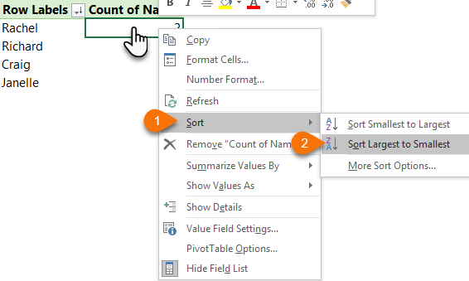
Sort PivotTable Largest to Smallest
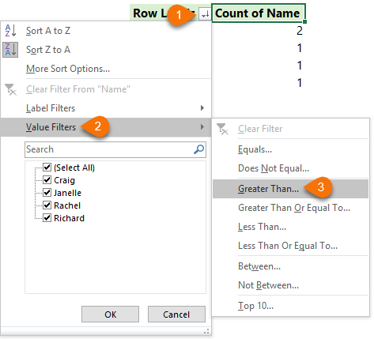
Filter PivotTable to show rows > 1
unique list
Department | Name | Row Labels | Count of Name
Produce | Richard | Rachel | 2
Dairy | Janelle | Richard | 1
Produce | Rachel | Craig | 1
Meat | Craig | Janelle | 1
Produce | Rachel

More Resources
click here to go to menu
click here to read tutorial
More Resources

 | Tutorials
 | Excel Tables | https://www.myonlinetraininghub.com/excel-2007-tables
 | Conditional Formatting | https://www.myonlinetraininghub.com/how-to-use-excel-2007%E2%80%99s-conditional-formatting
 | Conditional Formatting with Formulas | https://www.myonlinetraininghub.com/excel-conditional-formatting-with-formulas
 | Advanced Filters | https://www.myonlinetraininghub.com/excel-advanced-filters
 | Advanced Filter Unique Records | https://www.myonlinetraininghub.com/excel-advanced-filter-unique-records
 | PivotTables | https://www.myonlinetraininghub.com/pivot-table

 | Courses
 | Advanced Excel | https://www.myonlinetraininghub.com/excel-expert-upgrade
 | Power Query | https://www.myonlinetraininghub.com/power-pivot-course

 | Support
 | Excel Forum | https://www.myonlinetraininghub.com/excel-forum

