Chart
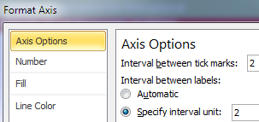
click here to read tutorial
Text Labels on Vertical Axis
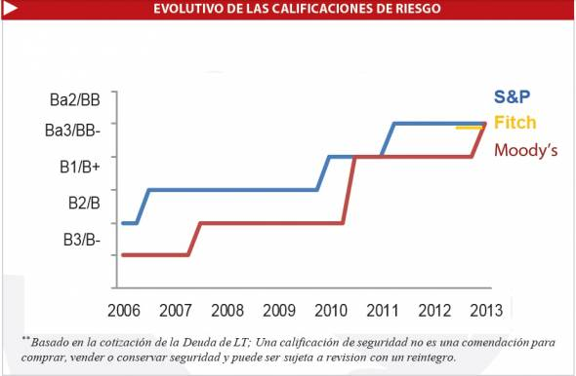
This chart was the inspiration for this tutorial
 | Line Chart Data |  |  |  | Bar Chart Data
 | Year | Fitch | Moody's | S&P | Y Axis Scale | Dummy Value
 | 2006 |  | 1 | 2
 | 2006.1 |  | 1 | 2 | B3/B- | 1
 | 2007 |  | 1 | 3 | B2/B | 1
 | 2007.2 |  | 2 | 3 | B1/B+ | 1
 | 2008 |  | 2 | 3 | Ba3/BB | 1
 | 2008.2 |  | 2 | 3 | Ba2/BB | 1
 | 2009 |  | 2 | 3
These labels aren't aligned to the tick marks. This may be intentional, however I suspect they're supposed to be aligned since they're not evenly spaced.
 | 2009.2 |  | 2 | 3
 | 2010 |  | 2 | 3
 | 2010.2 |  | 3 | 4
 | 2011 |  | 4 | 4
 | 2011.2 |  | 4 | 4
 | 2012 |  | 4 | 5
 | 2012.2 |  | 4 | 5
 | 2013 | 4.92 | 4 | 5
Excel Chart
 | Dummy Value |  | Moody's |  | S&P |  | Fitch
 |  | 2006 | 1 | 2006 | 2 | 2006
B3/B- | 1 | 2006.1 | 1 | 2006.1 | 2 | 2006.1
B2/B | 1 | 2007 | 1 | 2007 | 3 | 2007
B1/B+ | 1 | 2007.2 | 2 | 2007.2 | 3 | 2007.2
Ba3/BB | 1 | 2008 | 2 | 2008 | 3 | 2008
Ba2/BB | 1 | 2008.2 | 2 | 2008.2 | 3 | 2008.2
 |  | 2009 | 2 | 2009 | 3 | 2009
 |  | 2009.2 | 2 | 2009.2 | 3 | 2009.2
 |  | 2010 | 2 | 2010 | 3 | 2010
 |  | 2010.2 | 3 | 2010.2 | 4 | 2010.2
 |  | 2011 | 4 | 2011 | 4 | 2011
 |  | 2011.2 | 4 | 2011.2 | 4 | 2011.2
 |  | 2012 | 4 | 2012 | 5 | 2012
 |  | 2012.2 | 4 | 2012.2 | 5 | 2012.2
 |  | 2013 | 4 | 2013 | 5 | 2013 | 4.92
 |  | 2013.2 | 5 | 2013.2 | 5 | 2013.2 | 4.92
 | 2013.2 | 4.92 | 5 | 5

S&P
Fitch
Moody's
My data has two rows for every year to get the lines to mimic the chart we're tyring to copy. I've hidden every second instance in the axis labels by setting the intervals to 2 in the Axis Options:

Practice
click here to read tutorial
Text Labels on Vertical Axis

 | Line Chart Data |  |  |  | Bar Chart Data
 | Year | Fitch | Moody's | S&P | Y Axis Scale | Dummy Value
 | 2006 |  | 1 | 2
 | 2006.1 |  | 1 | 2 | B3/B- | 1
 | 2007 |  | 1 | 3 | B2/B | 1
 | 2007.2 |  | 2 | 3 | B1/B+ | 1
 | 2008 |  | 2 | 3 | Ba3/BB | 1
 | 2008.2 |  | 2 | 3 | Ba2/BB | 1
 | 2009 |  | 2 | 3
 | 2009.2 |  | 2 | 3
 | 2010 |  | 2 | 3
 | 2010.2 |  | 3 | 4
 | 2011 |  | 4 | 4
 | 2011.2 |  | 4 | 4
 | 2012 |  | 4 | 5
 | 2012.2 |  | 4 | 5
 | 2013 | 4.92 | 4 | 5
 | 2013.2 | 4.92 | 5 | 5

