Resources
click here to read tutorial
Getting Started With API's in Power Query

More Resources

 | Courses
NEW | Excel Tables | https://www.myonlinetraininghub.com/excel-tables-course
NEW | Advanced Excel Formulas | https://www.myonlinetraininghub.com/advanced-excel-formulas-course
NEW | Pivot Tables Quick Start | https://www.myonlinetraininghub.com/excel-pivottable-course-quick-start
 | Advanced Excel | https://www.myonlinetraininghub.com/excel-expert-upgrade
 | PivotTables | https://www.myonlinetraininghub.com/excel-pivottable-course
 | Power Query | https://www.myonlinetraininghub.com/excel-power-query-course
 | Power Pivot | https://www.myonlinetraininghub.com/power-pivot-course
 | Excel Dashboards | http://www.myonlinetraininghub.com/excel-dashboard-course
 | Power BI | http://www.myonlinetraininghub.com/power-bi-course
 | Excel for Decision Making Under Uncertainty | https://www.myonlinetraininghub.com/excel-for-decision-making-course
 | Excel for Finance Professionals | https://www.myonlinetraininghub.com/excel-for-finance-course
 | Excel Analysis ToolPak | https://www.myonlinetraininghub.com/excel-analysis-toolpak-course
 | Excel for Customer Service Professionals | https://www.myonlinetraininghub.com/excel-for-customer-service-professionals
 | Excel, Word, Outlook | https://www.myonlinetraininghub.com/microsoft-office-online-training-courses
 | Excel for Operations Management | https://www.myonlinetraininghub.com/excel-operations-management-course
NEW | Financial Modelling | https://www.myonlinetraininghub.com/financial-modelling-course

 | Webinars
 | Excel Dashboards & Power BI | http://www.myonlinetraininghub.com/excel-webinars

 | Support
 | Excel Forum | https://www.myonlinetraininghub.com/excel-forum

 | Tutorials
 | Excel Functions | https://www.myonlinetraininghub.com/excel-functions
 | Charting Blog Posts | http://www.myonlinetraininghub.com/category/excel-charts
 | Excel Dashboard Blog Posts | http://www.myonlinetraininghub.com/category/excel-dashboard
 | Free Downloads | https://www.myonlinetraininghub.com/workbook-downloads
 | Excel Keyboard Shortcuts | https://www.myonlinetraininghub.com/excel-shortcuts
 | Custom Number Format Guide | https://www.myonlinetraininghub.com/excel-custom-number-format-guide

Mars Weather
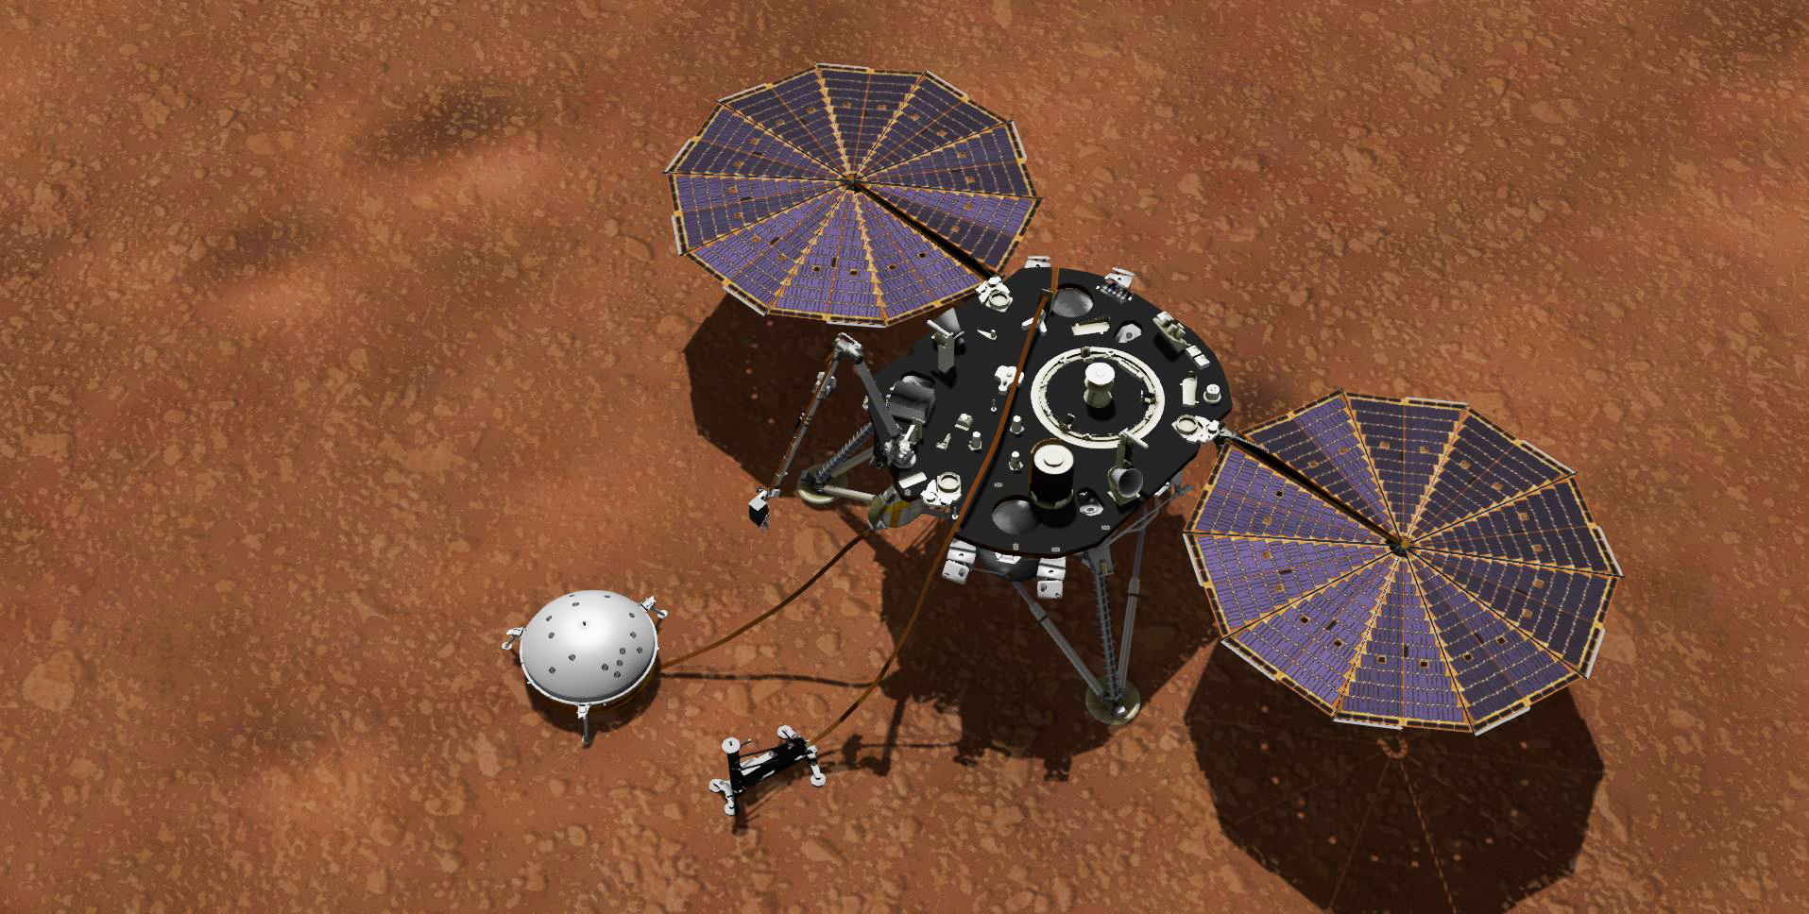
Sol | Min | Max | First_UTC
582 | -89.095 | -4.582 | 7/16/20
583 | -89.037 | -7.244 | 7/17/20
584 | -89.095 | -12.279 | 7/18/20
585 | -89.183 | -12.028 | 7/19/20
586 | -131.75 | -7.095 | 7/20/20
Latest Weather
at Elysium Planitia
587 | -89.159 | -9.848 | 7/21/20
588 | -89.212 | -10.984 | 7/22/20

 |  |  |  | Sol 582 | Sol 583 | Sol 584 | Sol 585 | Sol 586 | Sol 587 | Sol 588
 |  |  |  | 2020-07-16 15:10:42 | 2020-07-17 15:50:18 | 2020-07-18 16:29:53 | 2020-07-19 17:09:28 | 2020-07-20 17:49:43 | 2020-07-21 18:28:39 | 2020-07-22 19:08:14
 |  |  |  | High -5C | High -7C | High -12C | High -12C | High -7C | High -10C | High -11C
 |  |  |  | Low -89C | Low -89C | Low -89C | Low -89C | Low -132C | Low -89C | Low -89C

