Scenario Budget
Bike Sales
5 Year Forecast
Click here to read tutorial
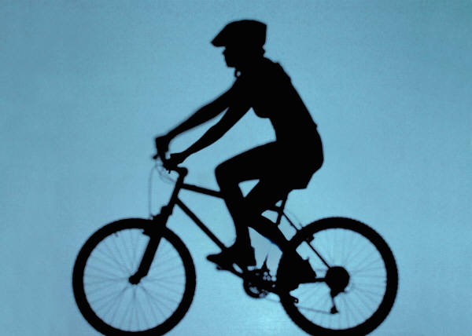

 | 2012 | 2013 | 2014 | 2015 | 2016 | Assumptions
Enquiries | 4,340 | 6,510 | 9,765 | 14,648 | 21,972 | Growth year on year | 50.00%
Conversion Rate | 2.20% | 3.30% | 4.95% | 7.43% | 11.15% | Sales Price per Bike | 99.95
Units Sold | 96 | 215 | 484 | 1089 | 2450 | GP Margin | 50%
 |  |  |  |  |  | Annual Inflation | 5%
Income | $9,595 | $21,489 | $48,376 | $108,846 | $244,878
COGS | $4,798 | $10,745 | $24,188 | $54,423 | $122,439
Gross Profit | $4,798 | $10,745 | $24,188 | $54,423 | $122,439
Expenses | $1,200 | $1,260 | $1,323 | $1,389 | $1,459
Net Profit | $3,598 | $9,485 | $22,865 | $53,034 | $120,980

Scenario Summary
Click here to read tutorial
Scenario Summary
 | Still Hungry | Occasional Takeaway | Fine Dining | Happy Days
Changing Cells:
Growth year on year | 7.50% | 15.00% | 35.00% | 50.00%
Sales Price per Bike | 99.95 | 99.95 | 99.95 | 99.95
GP Margin | 40% | 40% | 50% | 50%
Annual Inflation | 5% | 5% | 5% | 5%
Result Cells:
2012 | $2,638 | $2,638 | $3,598 | $3,598
2013 | $3,178 | $3,817 | $7,486 | $9,485
2014 | $3,794 | $5,394 | $14,569 | $22,865
2015 | $4,568 | $7,486 | $27,546 | $53,034
2016 | $5,418 | $10,296 | $51,315 | $120,980
Notes: Current Values column represents values of changing cells at
time Scenario Summary Report was created. Changing cells for each
scenario are highlighted in gray.

